Aragorn

Aragorn Attack Chart |  |  |  |  | Aragorn Damage Summary |  |  | Aragorn Time Summary
 | Attack 1 | Attack 2 | Attack 3 |  |  | Total Damage |  |  | Total Time | Time to Hit
Stage 1 Wind UpTime | 8 | 7 | 10 |  | A1S1 | 300 |  | A1S1 | 21 | 8
Stage 1 Attack Time | 5 | 5 | 5 |  | A1S2 | 500 |  | A1S2 | 26 | 13
Stage 1 Cooldown | 8 | 8 | 10 |  | A1S3 | 900 |  | A1S3 | 24 | 20
 |  |  |  |  | A2S1 | 400 |  | A2S1 | 20 | 12
Stage 2 Attack Time | 4 | 4 | 0 |  | A2S2 | 550 |  | A2S2 | 20 | 16
Stage 2 Cooldown | 9 | 4 | 0 |  | A2S3 | 1050 |  | A2S3 | 28 | 20
 |  |  |  |  | A3S1 | 700 |  | A3S1 | 25 | 15
Stage 3 Attack Time | 3 | 4 | 0
Stage 3 Cooldown | 4 | 8 | 0 |  | Aragorn Damage Averages |  |  | Aragorn Time Averages
 |  |  |  |  | S1 Damage | 466.67 |  | S1 Total Time | 22.00
Aragorn Damage Chart |  |  |  |  | S2 Damage | 175.00 |  | S2 Total Time | 23.00
Stage 1 Damage | 300 | 400 | 700 |  | S3 Damage | 450.00 |  | S3 Total Time | 26.00
Stage 2 Damage | 200 | 150 | 0 |  | Damage/ Attack | 378.57 |  | S1 Time To Hit | 8.75
Stage 3 Damage | 400 | 500 | 0 |  | Damage/ Combo | 883.33 |  | S2 Time To Hit | 14.50
 |  |  |  |  |  |  |  | S3 Time To Hit | 20.00
Aragorn Total Health |  |  |  |  | Damage - Metrics |  |  | Wind Up Time | 8.33
1300 |  |  |  |  | Low Damage | 400 |  | Attack Time | 3.33
 |  |  |  |  | High Damage | 700 |  | Cooldown | 5.67

 |  |  |  |  |  |  |  | Time - Metrics
 |  |  |  |  |  |  |  | Low Total Time | 20
 |  |  |  |  |  |  |  | High Total Time | 25
 |  |  |  |  |  |  |  | Low Time To Hit | 15
 |  |  |  |  |  |  |  | High Time To Hit | 25

Number of Hits To Kill |  |  |  |  |  | Time To Kill
 | Orc 1 | Orc 2 | Orc 3 | Orc 4 |  |  | Orc 1 | Orc 2 | Orc 3 | Orc 4
A1S1 | 2 | 3 | 3 | 4 |  | A1S1 | 34 | 55 | 55 | 76
A1S2 | 1 | 2 | 3 | 5 |  | A1S2 | 17 | 48 | 78 | 130
A1S3 | 0 | 1 | 1 | 2 |  | A1S3 | -4 | 20 | 20 | 44
A2S1 | 2 | 2 | 3 | 3 |  | A2S1 | 32 | 32 | 52 | 52
A2S2 | 1 | 2 | 4 | 6 |  | A2S2 | 16 | 36 | 76 | 116
A2S3 | -1 | 1 | 1 | 2 |  | A2S3 | -36 | 20 | 20 | 48
A3S1 | 1 | 1 | 2 | 2 |  | A3S1 | 15 | 15 | 40 | 40

Number of Hits To Kill Averages - Orc |  |  |  |  |  | Time To Kill Averages - Orc
Orc 1 | 0.86 |  |  |  |  | Orc 1 | 10.57
Orc 2 | 1.71 |  |  |  |  | Orc 2 | 32.29
Orc 3 | 2.43 |  |  |  |  | Orc 3 | 48.71
Orc 4 | 3.43 |  |  |  |  | Orc 4 | 72.29

Number of Hits to Kill Averages - Attacks |  |  |  |  |  | Time To Kill Averages - Attack
A1S1 | 3.00 |  |  |  |  | A1S1 | 55.00
A1S2 | 2.75 |  |  |  |  | A1S2 | 68.25
A1S3 | 1.00 |  |  |  |  | A1S3 | 20.00
A2S1 | 2.50 |  |  |  |  | A2S1 | 42.00
A2S2 | 3.25 |  |  |  |  | A2S2 | 61.00
A2S3 | 0.75 |  |  |  |  | A2S3 | 13.00
A3S1 | 1.50 |  |  |  |  | A3S1 | 27.50

Number of Hits To Kill - Metrics |  |  |  |  |  | Time To Kill Metrics - Metrics
Unlocked | 1 |  |  |  |  | Unlocked | 33
Locked | 3 |  |  |  |  | Locked | 45

Hits Taken on Average - Aragorn |  |  |  |  |  | Damage Taken Average - Aragorn
 | Orc 1 | Orc 2 | Orc 3 | Orc 4 |  |  | Orc 1 | Orc 2 | Orc 3 | Orc 4
A1S1 | 2 | 3 | 3 | 3 |  | A1S1 | 400 | 1500 | 900 | 1350
A1S2 | 1 | 2 | 4 | 5 |  | A1S2 | 200 | 1000 | 1200 | 2250
A1S3 | 0 | 1 | 1 | 2 |  | A1S3 | 0 | 500 | 300 | 900
A2S1 | 2 | 1 | 3 | 2 |  | A2S1 | 400 | 500 | 900 | 900
A2S2 | 1 | 2 | 4 | 5 |  | A2S2 | 200 | 1000 | 1200 | 2250
A2S3 | -2 | 1 | 1 | 2 |  | A2S3 | -400 | 500 | 300 | 900
A3S1 | 1 | 0 | 2 | 1 |  | A3S1 | 200 | 0 | 600 | 450

Hits Dealt on Average- Orc |  |  |  |  |  | Damage Done Average - Orcs
Orc 1 | 0.71 |  |  |  |  | Orc 1 | 142.86
Orc 2 | 1.43 |  |  |  |  | Orc 2 | 714.29
Orc 3 | 2.57 |  |  |  |  | Orc 3 | 771.43
Orc 4 | 2.86 |  |  |  |  | Orc 4 | 1285.71

Hits Received Average - Attack |  |  |  |  |  | Damage Taken Average - Attack
A1S1 | 2.75 |  |  |  |  | A1S1 | 1037.50
A1S2 | 3.00 |  |  |  |  | A1S2 | 1162.50
A1S3 | 1.00 |  |  |  |  | A1S3 | 425.00
A2S1 | 2.00 |  |  |  |  | A2S1 | 675.00
A2S2 | 3.00 |  |  |  |  | A2S2 | 1162.50
A2S3 | 0.50 |  |  |  |  | A2S3 | 325.00
A3S1 | 1.00 |  |  |  |  | A3S1 | 312.50

Hits Taken By Aragorn - Metrics |  |  |  |  |  | Damage Taken - Metrics
Unlocked | 1 |  |  |  |  | Unlocked | 300
Locked | 3 |  |  |  |  | Locked | 600

 |  |  | Lock/Unlock/Neutral Chart
 |  |  |  | Orc 1 | Orc 2 | Orc 3 | Orc 4
 |  |  | A1S1 | N | L | L | L
 |  |  | A1S2 | U | L | L | L
 |  |  | A1S3 | U | N | U | L
 |  |  | A2S1 | N | N | L | L
 |  |  | A2S2 | U | L | L | L
 |  |  | A2S3 | U | N | U | L
 |  |  | A3S1 | U | U | N | N

Orcs
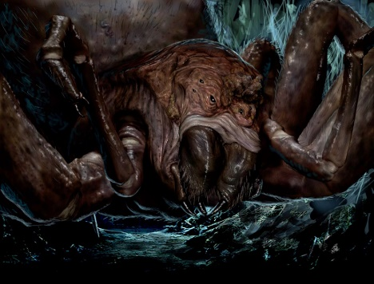
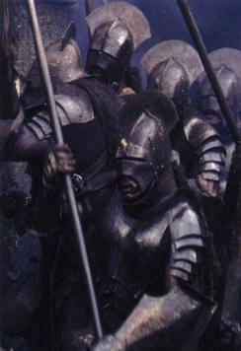
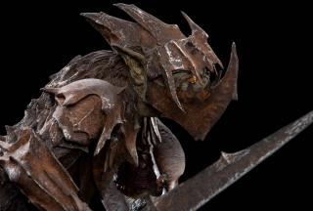

 | Orc 1 | Orc 2 | Orc 3 | Orc 4
Full Name | Moria Goblin | Armored Goblin | Shelob Spawn | Uruk Hai | Average
Health | 500 | 700 | 900 | 1200 | 825
Damage | 200 | 500 | 300 | 450 | 362.5
Wind Up Time | 6 | 7 | 8 | 9 | 7.5
Attack Time | 3 | 5 | 4 | 3 | 3.75
Cooldown Time | 5 | 5 | 5 | 10 | 6.25
Total Time Attack | 14 | 17 | 17 | 22 | 17.5

